c1_R5
Sweep | Event Time (s) | Threshold (V) | Threshold Time (s) | Peak (V) | Peak Time (s) | AHP (V) | AHP Time (s) | Absolute Event Time (s) | Interevent Interval (s) | Max Slope (V/s) | Min Slope (V/s) | AP Duration @ 50% (s) | Threshold (mV) | Threshold Time (ms) | Peak (mV) | Peak Time (ms) | AHP m(V) | AHP Time (ms) | Interevent Interval (s) | Max Slope (V/s) | Min Slope (V/s) | Max/Min dV/dt | AP Duration @ 50% (s) | Number of Events | Time | First Event |  | Last Event |  | Copyable |  |  | dV/dt graph
1 | 0.059749998 | -0.047149658 | -0.00060000003 | 0.0085144043 | 2.50E-04 | -0.058746338 | 0.0149 | 0.086655997 |  | 151.36719 | -53.710938 | 0.00094826391 | -48.358393618 | -0.640196085 | 8.7803859353 | 0.27450981392 | -59.97721351 | 14.828921569 | 97.433171495 | 151.19664814 | -51.697375716 | 2.9246484187 | 0.98675757098 | 102 | X | Y (V) | Y (mV) | Y (V) | Y (mV) |  |  |  | ReviewAP | diffAP
1 | 0.1437 | -0.047912598 | -0.00060000003 | 0.0090942383 | 2.50E-04 | -0.058746338 | 0.0149 | 0.170606 | 0.083950005 | 156.55518 | -54.626465 | 0.0009491258 |  |  |  |  |  |  |  |  |  |  |  |  | 0 | -0.051630355 | -51.630355 | -0.051696777 | -51.696777 | 0 | -51.630355 | -51.696777 | -0.051696777 | 0
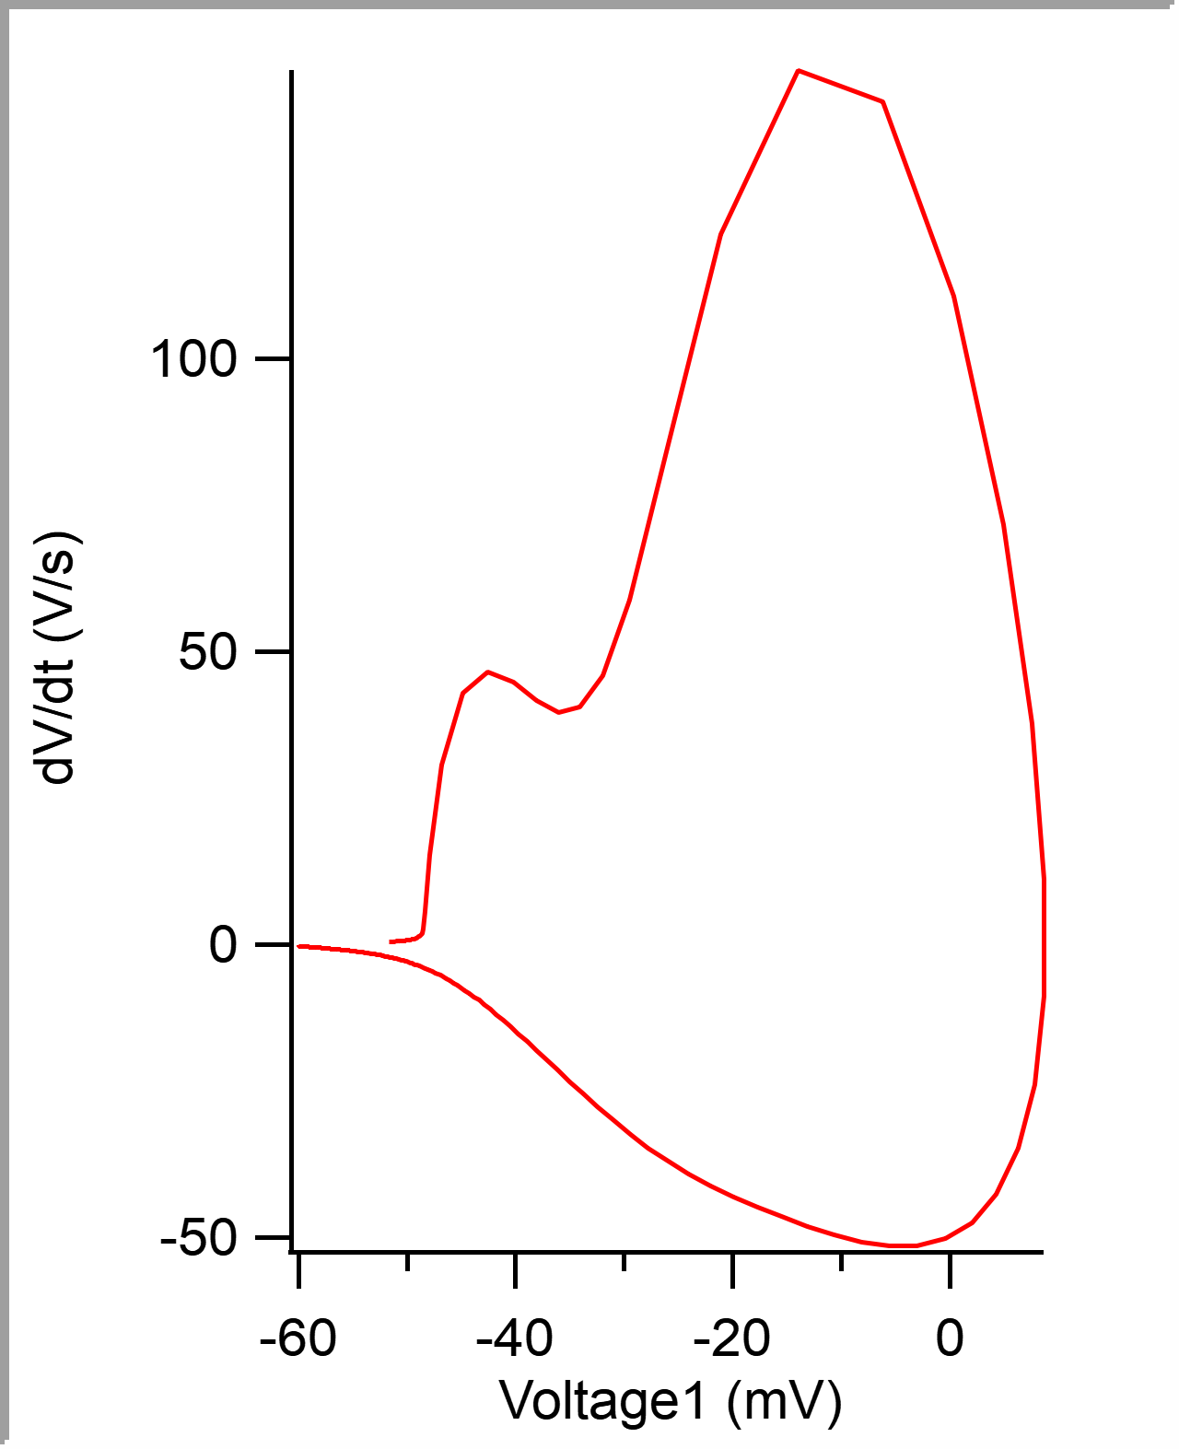
1 | 0.21179999 | -0.04788208 | -0.00065 | 0.0087890625 | 2.50E-04 | -0.058380127 | 0.01475 | 0.23870599 | 0.06809999 | 152.58789 | -52.490234 | 0.00096069602 |  |  |  |  |  |  |  |  |  |  |  |  | 5.00E-05 | -0.051607318 | -51.607318 | -0.051696777 | -51.696777 | 0.00005 | -51.607318 | -51.696777 | -0.051696777 | 0.30517578
1 | 0.29754999 | -0.047302246 | -0.00060000003 | 0.008605957 | 3.00E-04 | -0.057922363 | 0.01485 | 0.32445601 | 0.085750014 | 151.06201 | -52.79541 | 0.00095415319 |  |  |  |  |  |  |  |  |  |  |  |  | 0.0001 | -0.051583681 | -51.583681 | -0.05166626 | -51.66626 | 0.0001 | -51.583681 | -51.66626 | -0.05166626 | 0.61035156
1 | 0.37509999 | -0.047851563 | -0.00060000003 | 0.0090026855 | 3.00E-04 | -0.059020996 | 0.01485 | 0.402006 | 0.077549994 | 155.0293 | -53.100586 | 0.00095729547 |  |  |  |  |  |  |  |  |  |  |  |  | 0.00015 | -0.051555857 | -51.555857 | -0.051635742 | -51.635742 | 0.00015 | -51.555857 | -51.635742 | -0.051635742 | 0.61035156
1 | 0.45175001 | -0.04800415 | -0.00065 | 0.0092773438 | 2.50E-04 | -0.059234619 | 0.0148 | 0.47865602 | 0.076650023 | 155.63965 | -54.321289 | 0.00095044606 |  |  |  |  |  |  |  |  |  |  |  |  | 0.0002 | -0.051536411 | -51.536411 | -0.051605225 | -51.605225 | 0.0002 | -51.536411 | -51.605225 | -0.051605225 | 0.61035156
1 | 0.54299998 | -0.046478271 | -0.00055 | 0.0086364746 | 3.00E-04 | -0.058044434 | 0.0148 | 0.569906 | 0.091249973 | 149.53613 | -52.79541 | 0.00095058413 |  |  |  |  |  |  |  |  |  |  |  |  | 0.00025 | -0.051516067 | -51.516067 | -0.051574707 | -51.574707 | 0.00025 | -51.516067 | -51.574707 | -0.051574707 | 0.30517578
1 | 0.61925 | -0.047515869 | -0.00060000003 | 0.0084838867 | 3.00E-04 | -0.058502197 | 0.01455 | 0.64615601 | 0.076250017 | 149.84131 | -52.185059 | 0.00096899347 |  |  |  |  |  |  |  |  |  |  |  |  | 0.0003 | -0.051489137 | -51.489137 | -0.051574707 | -51.574707 | 0.0003 | -51.489137 | -51.574707 | -0.051574707 | 0
1 | 0.69125003 | -0.048828125 | -0.00065 | 0.008972168 | 2.50E-04 | -0.058776855 | 0.0148 | 0.71815604 | 0.072000027 | 156.86035 | -52.185059 | 0.00097861001 |  |  |  |  |  |  |  |  |  |  |  |  | 0.00035 | -0.051464904 | -51.464904 | -0.051574707 | -51.574707 | 0.00035 | -51.464904 | -51.574707 | -0.051574707 | 0
1 | 0.78310001 | -0.048431396 | -0.00065 | 0.0088500977 | 3.00E-04 | -0.058837891 | 0.01485 | 0.81000602 | 0.091849983 | 150.75684 | -52.79541 | 0.00096483139 |  |  |  |  |  |  |  |  |  |  |  |  | 0.0004 | -0.051440369 | -51.440369 | -0.051574707 | -51.574707 | 0.0004 | -51.440369 | -51.574707 | -0.051574707 | 0.61035156
1 | 0.87230003 | -0.047180176 | -0.00060000003 | 0.0083618164 | 2.50E-04 | -0.059448242 | 0.01485 | 0.89920604 | 0.08920002 | 147.70508 | -50.964355 | 0.00095922104 |  |  |  |  |  |  |  |  |  |  |  |  | 0.00045 | -0.051416732 | -51.416732 | -0.051513672 | -51.513672 | 0.00045 | -51.416732 | -51.513672 | -0.051513672 | 0.91552734
1 | 0.95924997 | -0.048431396 | -0.00065 | 0.0090942383 | 2.50E-04 | -0.05859375 | 0.0149 | 0.98615599 | 0.086949944 | 154.41895 | -53.710938 | 0.00096819783 |  |  |  |  |  |  |  |  |  |  |  |  | 0.0005 | -0.051390104 | -51.390104 | -0.051483154 | -51.483154 | 0.0005 | -51.390104 | -51.483154 | -0.051483154 | 0.30517578
1 | 1.04625 | -0.047790527 | -0.00060000003 | 0.008605957 | 3.00E-04 | -0.059448242 | 0.01465 | 1.073156 | 0.087000012 | 148.62061 | -53.405762 | 0.00096128474 |  |  |  |  |  |  |  |  |  |  |  |  | 0.00055 | -0.051371258 | -51.371258 | -0.051483154 | -51.483154 | 0.00055 | -51.371258 | -51.483154 | -0.051483154 | 0.30517578
1 | 1.1323 | -0.047698975 | -0.00060000003 | 0.0091247559 | 2.50E-04 | -0.058776855 | 0.0149 | 1.159206 | 0.086050034 | 154.72412 | -52.185059 | 0.00096319494 |  |  |  |  |  |  |  |  |  |  |  |  | 0.0006 | -0.051346123 | -51.346123 | -0.051452637 | -51.452637 | 0.0006 | -51.346123 | -51.452637 | -0.051452637 | 0.61035156
1 | 1.22185 | -0.048980713 | -0.00065 | 0.0093383789 | 2.50E-04 | -0.059570313 | 0.01485 | 1.2487561 | 0.089550018 | 157.77588 | -54.016113 | 0.00096653652 |  |  |  |  |  |  |  |  |  |  |  |  | 0.00065 | -0.051323086 | -51.323086 | -0.051422119 | -51.422119 | 0.00065 | -51.323086 | -51.422119 | -0.051422119 | 0.91552734
1 | 1.3164001 | -0.047943115 | -0.00060000003 | 0.008972168 | 3.00E-04 | -0.059234619 | 0.01485 | 1.3433061 | 0.094550014 | 155.0293 | -54.321289 | 0.00095277437 |  |  |  |  |  |  |  |  |  |  |  |  | 0.0007 | -0.051296458 | -51.296458 | -0.051361084 | -51.361084 | 0.0007 | -51.296458 | -51.361084 | -0.051361084 | 0.91552734
1 | 1.3888 | -0.048980713 | -0.00065 | 0.0092163086 | 2.50E-04 | -0.058319092 | 0.01485 | 1.415706 | 0.072399974 | 152.58789 | -51.879883 | 0.00099197403 |  |  |  |  |  |  |  |  |  |  |  |  | 0.00075 | -0.051271625 | -51.271625 | -0.051330566 | -51.330566 | 0.00075 | -51.271625 | -51.330566 | -0.051330566 | 0.61035156
1 | 1.4634 | -0.048034668 | -0.00060000003 | 0.0090026855 | 3.00E-04 | -0.059082031 | 0.0149 | 1.490306 | 0.074599981 | 152.28271 | -53.100586 | 0.00097248179 |  |  |  |  |  |  |  |  |  |  |  |  | 0.0008 | -0.051245596 | -51.245596 | -0.051300049 | -51.300049 | 0.0008 | -51.245596 | -51.300049 | -0.051300049 | 0.91552734
1 | 1.5531 | -0.047973633 | -0.00060000003 | 0.0090026855 | 3.00E-04 | -0.05960083 | 0.01485 | 1.580006 | 0.089699984 | 152.89307 | -53.405762 | 0.00097341591 |  |  |  |  |  |  |  |  |  |  |  |  | 0.00085 | -0.05121867 | -51.21867 | -0.051239014 | -51.239014 | 0.00085 | -51.21867 | -51.239014 | -0.051239014 | 0.61035156
1 | 1.64735 | -0.048065186 | -0.00060000003 | 0.0088806152 | 3.00E-04 | -0.058898926 | 0.01485 | 1.674256 | 0.094249964 | 152.58789 | -53.100586 | 0.00096974778 |  |  |  |  |  |  |  |  |  |  |  |  | 0.0009 | -0.051195331 | -51.195331 | -0.051239014 | -51.239014 | 0.0009 | -51.195331 | -51.239014 | -0.051239014 | 0
1 | 1.7359999 | -0.048156738 | -0.00060000003 | 0.008972168 | 3.00E-04 | -0.059783936 | 0.0149 | 1.762906 | 0.088649988 | 151.67236 | -53.405762 | 0.00096874073 |  |  |  |  |  |  |  |  |  |  |  |  | 0.00095 | -0.051169902 | -51.169902 | -0.051239014 | -51.239014 | 0.00095 | -51.169902 | -51.239014 | -0.051239014 | 0.61035156
1 | 1.824 | -0.04876709 | -0.00065 | 0.0092163086 | 2.50E-04 | -0.059570313 | 0.0149 | 1.850906 | 0.088000059 | 156.55518 | -54.016113 | 0.00097981503 |  |  |  |  |  |  |  |  |  |  |  |  | 0.001 | -0.051142376 | -51.142376 | -0.051177979 | -51.177979 | 0.001 | -51.142376 | -51.177979 | -0.051177979 | 0.91552734
1 | 1.919 | -0.048919678 | -0.00065 | 0.0091247559 | 3.00E-04 | -0.060241699 | 0.0149 | 1.945906 | 0.095000029 | 150.75684 | -53.405762 | 0.00097195071 |  |  |  |  |  |  |  |  |  |  |  |  | 0.00105 | -0.051119935 | -51.119935 | -0.051147461 | -51.147461 | 0.00105 | -51.119935 | -51.147461 | -0.051147461 | 0.61035156
1 | 2.0191 | -0.04888916 | -0.00065 | 0.0093688965 | 2.50E-04 | -0.060211182 | 0.0149 | 2.046006 | 0.10009992 | 158.08105 | -52.79541 | 0.00098260306 |  |  |  |  |  |  |  |  |  |  |  |  | 0.0011 | -0.051091813 | -51.091813 | -0.051116943 | -51.116943 | 0.0011 | -51.091813 | -51.116943 | -0.051116943 | 0.61035156
1 | 2.1138999 | -0.049468994 | -0.00069999998 | 0.0090637207 | 2.50E-04 | -0.0597229 | 0.01475 | 2.140806 | 0.094799995 | 158.38623 | -53.405762 | 0.00098175672 |  |  |  |  |  |  |  |  |  |  |  |  | 0.00115 | -0.051063985 | -51.063985 | -0.051086426 | -51.086426 | 0.00115 | -51.063985 | -51.086426 | -0.051086426 | 0.30517578
1 | 2.1937001 | -0.048217773 | -0.00060000003 | 0.0090026855 | 3.00E-04 | -0.059356689 | 0.0149 | 2.2206061 | 0.079800129 | 152.28271 | -52.185059 | 0.00098460703 |  |  |  |  |  |  |  |  |  |  |  |  | 0.0012 | -0.05104005 | -51.04005 | -0.051086426 | -51.086426 | 0.0012 | -51.04005 | -51.086426 | -0.051086426 | 0.30517578
1 | 2.2906499 | -0.048126221 | -0.00060000003 | 0.0088500977 | 3.00E-04 | -0.059326172 | 0.0149 | 2.3175559 | 0.096949816 | 150.14648 | -52.185059 | 0.00097378995 |  |  |  |  |  |  |  |  |  |  |  |  | 0.00125 | -0.051011328 | -51.011328 | -0.051055908 | -51.055908 | 0.00125 | -51.011328 | -51.055908 | -0.051055908 | 1.2207031
1 | 2.3807499 | -0.048156738 | -0.00060000003 | 0.0089416504 | 3.00E-04 | -0.059997559 | 0.0148 | 2.407656 | 0.09010005 | 152.58789 | -52.490234 | 0.00097434578 |  |  |  |  |  |  |  |  |  |  |  |  | 0.0013 | -0.050982606 | -50.982606 | -0.050964355 | -50.964355 | 0.0013 | -50.982606 | -50.964355 | -0.050964355 | 1.2207031
1 | 2.47225 | -0.048431396 | -0.00065 | 0.0093383789 | 2.50E-04 | -0.0597229 | 0.0149 | 2.499156 | 0.091500044 | 155.94482 | -51.269531 | 0.00098566804 |  |  |  |  |  |  |  |  |  |  |  |  | 0.00135 | -0.050954182 | -50.954182 | -0.050933838 | -50.933838 | 0.00135 | -50.954182 | -50.933838 | -0.050933838 | 0.30517578
1 | 2.5602 | -0.048583984 | -0.00065 | 0.0085449219 | 2.50E-04 | -0.060058594 | 0.01475 | 2.587106 | 0.087949991 | 150.75684 | -51.879883 | 0.00098895445 |  |  |  |  |  |  |  |  |  |  |  |  | 0.0014 | -0.050926656 | -50.926656 | -0.050933838 | -50.933838 | 0.0014 | -50.926656 | -50.933838 | -0.050933838 | 0.30517578
1 | 2.6491499 | -0.048492432 | -0.00065 | 0.0087585449 | 2.50E-04 | -0.060028076 | 0.0149 | 2.6760559 | 0.088949919 | 152.58789 | -53.710938 | 0.0009804155 |  |  |  |  |  |  |  |  |  |  |  |  | 0.00145 | -0.050899729 | -50.899729 | -0.05090332 | -50.90332 | 0.00145 | -50.899729 | -50.90332 | -0.05090332 | 0.61035156
1 | 2.74705 | -0.047912598 | -0.00060000003 | 0.0085144043 | 3.00E-04 | -0.05960083 | 0.0148 | 2.7739561 | 0.097900152 | 149.53613 | -50.65918 | 0.00098153588 |  |  |  |  |  |  |  |  |  |  |  |  | 0.0015 | -0.050875496 | -50.875496 | -0.050872803 | -50.872803 | 0.0015 | -50.875496 | -50.872803 | -0.050872803 | 0.30517578
1 | 2.84745 | -0.04800415 | -0.00060000003 | 0.008972168 | 3.00E-04 | -0.059906006 | 0.0149 | 2.874356 | 0.10039997 | 149.53613 | -51.269531 | 0.00098866387 |  |  |  |  |  |  |  |  |  |  |  |  | 0.00155 | -0.050846472 | -50.846472 | -0.050872803 | -50.872803 | 0.00155 | -50.846472 | -50.872803 | -0.050872803 | 0.61035156
1 | 2.9449999 | -0.048614502 | -0.00065 | 0.009185791 | 2.50E-04 | -0.060180664 | 0.0149 | 2.9719059 | 0.097549915 | 153.19824 | -51.879883 | 0.00099229114 |  |  |  |  |  |  |  |  |  |  |  |  | 0.0016 | -0.050819248 | -50.819248 | -0.050811768 | -50.811768 | 0.0016 | -50.819248 | -50.811768 | -0.050811768 | 0.61035156
1 | 3.0455501 | -0.047821045 | -0.00060000003 | 0.0087585449 | 3.00E-04 | -0.060455322 | 0.0149 | 3.0724561 | 0.10055017 | 150.75684 | -50.65918 | 0.00098149618 |  |  |  |  |  |  |  |  |  |  |  |  | 0.00165 | -0.050786935 | -50.786935 | -0.050811768 | -50.811768 | 0.00165 | -50.786935 | -50.811768 | -0.050811768 | 0.61035156
1 | 3.1394501 | -0.047912598 | -0.00065 | 0.0088195801 | 2.50E-04 | -0.059661865 | 0.01485 | 3.1663561 | 0.093899965 | 152.58789 | -50.65918 | 0.00098888762 |  |  |  |  |  |  |  |  |  |  |  |  | 0.0017 | -0.050756715 | -50.756715 | -0.050750732 | -50.750732 | 0.0017 | -50.756715 | -50.750732 | -0.050750732 | 0.61035156
1 | 3.234 | -0.047943115 | -0.00065 | 0.0085754395 | 2.50E-04 | -0.06048584 | 0.0148 | 3.260906 | 0.094549894 | 149.84131 | -50.964355 | 0.0009828991 |  |  |  |  |  |  |  |  |  |  |  |  | 0.00175 | -0.050727695 | -50.727695 | -0.050750732 | -50.750732 | 0.00175 | -50.727695 | -50.750732 | -0.050750732 | 0.61035156
1 | 3.3269501 | -0.049102783 | -0.00069999998 | 0.0090026855 | 2.50E-04 | -0.059387207 | 0.01485 | 3.3538561 | 0.092950106 | 153.50342 | -51.269531 | 0.00099557056 |  |  |  |  |  |  |  |  |  |  |  |  | 0.0018 | -0.050698075 | -50.698075 | -0.050689697 | -50.689697 | 0.0018 | -50.698075 | -50.689697 | -0.050689697 | 0.61035156
1 | 3.42905 | -0.048950195 | -0.00065 | 0.0092163086 | 3.00E-04 | -0.060394287 | 0.0149 | 3.455956 | 0.1020999 | 153.50342 | -52.490234 | 0.00098562636 |  |  |  |  |  |  |  |  |  |  |  |  | 0.00185 | -0.050667558 | -50.667558 | -0.050689697 | -50.689697 | 0.00185 | -50.667558 | -50.689697 | -0.050689697 | 0.61035156
1 | 3.5334499 | -0.04888916 | -0.00065 | 0.0086975098 | 3.00E-04 | -0.060180664 | 0.01485 | 3.5603559 | 0.10439992 | 150.45166 | -51.269531 | 0.00099559419 |  |  |  |  |  |  |  |  |  |  |  |  | 0.0019 | -0.050637938 | -50.637938 | -0.050628662 | -50.628662 | 0.0019 | -50.637938 | -50.628662 | -0.050628662 | 1.2207031
1 | 3.6391001 | -0.047637939 | -0.00060000003 | 0.0090026855 | 3.00E-04 | -0.059906006 | 0.0148 | 3.6660061 | 0.10565019 | 149.53613 | -51.269531 | 0.00097046333 |  |  |  |  |  |  |  |  |  |  |  |  | 0.00195 | -0.050607119 | -50.607119 | -0.050567627 | -50.567627 | 0.00195 | -50.607119 | -50.567627 | -0.050567627 | 0.91552734
1 | 3.7385001 | -0.049377441 | -0.00069999998 | 0.0090637207 | 2.50E-04 | -0.059906006 | 0.0148 | 3.7654061 | 0.099400043 | 156.86035 | -53.405762 | 0.00098973385 |  |  |  |  |  |  |  |  |  |  |  |  | 0.002 | -0.050578699 | -50.578699 | -0.050537109 | -50.537109 | 0.002 | -50.578699 | -50.537109 | -0.050537109 | 0.30517578
1 | 3.8275001 | -0.047637939 | -0.00065 | 0.0086975098 | 2.50E-04 | -0.060333252 | 0.01485 | 3.8544061 | 0.088999987 | 150.45166 | -51.269531 | 0.00098730286 |  |  |  |  |  |  |  |  |  |  |  |  | 0.00205 | -0.050545186 | -50.545186 | -0.050537109 | -50.537109 | 0.00205 | -50.545186 | -50.537109 | -0.050537109 | 0.30517578
1 | 3.91945 | -0.049133301 | -0.00065 | 0.0090637207 | 3.00E-04 | -0.05947876 | 0.01485 | 3.9463561 | 0.09194994 | 153.50342 | -51.269531 | 0.0010024055 |  |  |  |  |  |  |  |  |  |  |  |  | 0.0021 | -0.050516166 | -50.516166 | -0.050506592 | -50.506592 | 0.0021 | -50.516166 | -50.506592 | -0.050506592 | 0.91552734
1 | 4.01405 | -0.048980713 | -0.00069999998 | 0.0088195801 | 2.50E-04 | -0.059356689 | 0.0149 | 4.040956 | 0.094599962 | 151.67236 | -52.185059 | 0.0010009155 |  |  |  |  |  |  |  |  |  |  |  |  | 0.00215 | -0.050485648 | -50.485648 | -0.050445557 | -50.445557 | 0.00215 | -50.485648 | -50.445557 | -0.050445557 | 0.61035156
1 | 4.1036 | -0.04876709 | -0.00065 | 0.0092468262 | 3.00E-04 | -0.060150146 | 0.0147 | 4.130506 | 0.089550018 | 154.41895 | -51.879883 | 0.00099767244 |  |  |  |  |  |  |  |  |  |  |  |  | 0.0022 | -0.050455429 | -50.455429 | -0.050445557 | -50.445557 | 0.0022 | -50.455429 | -50.445557 | -0.050445557 | 0.61035156
1 | 4.2129998 | -0.048339844 | -0.00065 | 0.0088806152 | 2.50E-04 | -0.060150146 | 0.01475 | 4.2399058 | 0.1093998 | 153.19824 | -52.490234 | 0.00098328013 |  |  |  |  |  |  |  |  |  |  |  |  | 0.00225 | -0.050424613 | -50.424613 | -0.050384521 | -50.384521 | 0.00225 | -50.424613 | -50.384521 | -0.050384521 | 0.91552734
1 | 4.3088002 | -0.047729492 | -0.00060000003 | 0.0091247559 | 2.50E-04 | -0.06036377 | 0.0149 | 4.3357062 | 0.0958004 | 154.41895 | -51.879883 | 0.00098047545 |  |  |  |  |  |  |  |  |  |  |  |  | 0.0023 | -0.050391402 | -50.391402 | -0.050354004 | -50.354004 | 0.0023 | -50.391402 | -50.354004 | -0.050354004 | 0.30517578
1 | 4.4053502 | -0.049468994 | -0.00065 | 0.009185791 | 2.50E-04 | -0.0597229 | 0.01465 | 4.4322562 | 0.096549988 | 156.55518 | -52.490234 | 0.00099223386 |  |  |  |  |  |  |  |  |  |  |  |  | 0.00235 | -0.050357293 | -50.357293 | -0.050354004 | -50.354004 | 0.00235 | -50.357293 | -50.354004 | -0.050354004 | 0.61035156
1 | 4.50525 | -0.048461914 | -0.00065 | 0.0087280273 | 2.50E-04 | -0.0597229 | 0.01485 | 4.532156 | 0.099899769 | 152.28271 | -50.964355 | 0.00099930877 |  |  |  |  |  |  |  |  |  |  |  |  | 0.0024 | -0.050319895 | -50.319895 | -0.050292969 | -50.292969 | 0.0024 | -50.319895 | -50.292969 | -0.050292969 | 0.61035156
1 | 4.6097498 | -0.047943115 | -0.00065 | 0.0089416504 | 2.50E-04 | -0.060516357 | 0.01465 | 4.6366558 | 0.10449982 | 153.19824 | -52.79541 | 0.00097601116 |  |  |  |  |  |  |  |  |  |  |  |  | 0.00245 | -0.050289977 | -50.289977 | -0.050292969 | -50.292969 | 0.00245 | -50.289977 | -50.292969 | -0.050292969 | 0.30517578
1 | 4.6977501 | -0.048461914 | -0.00065 | 0.0087890625 | 2.50E-04 | -0.059997559 | 0.01485 | 4.7246561 | 0.088000298 | 152.28271 | -51.574707 | 0.00099619769 |  |  |  |  |  |  |  |  |  |  |  |  | 0.0025 | -0.050257664 | -50.257664 | -0.050262451 | -50.262451 | 0.0025 | -50.257664 | -50.262451 | -0.050262451 | 0.30517578
1 | 4.7934499 | -0.048492432 | -0.00065 | 0.0086669922 | 3.00E-04 | -0.05960083 | 0.01475 | 4.8203559 | 0.095699787 | 148.92578 | -51.269531 | 0.0009914682 |  |  |  |  |  |  |  |  |  |  |  |  | 0.00255 | -0.050223257 | -50.223257 | -0.050262451 | -50.262451 | 0.00255 | -50.223257 | -50.262451 | -0.050262451 | 0.61035156
1 | 4.8871002 | -0.048522949 | -0.00065 | 0.0089416504 | 2.50E-04 | -0.059387207 | 0.0148 | 4.9140062 | 0.093650341 | 153.19824 | -50.354004 | 0.0010117665 |  |  |  |  |  |  |  |  |  |  |  |  | 0.0026 | -0.050187353 | -50.187353 | -0.050201416 | -50.201416 | 0.0026 | -50.187353 | -50.201416 | -0.050201416 | 0.91552734
1 | 4.9844999 | -0.048461914 | -0.00065 | 0.0088806152 | 2.50E-04 | -0.05947876 | 0.01485 | 5.0114059 | 0.097399712 | 152.28271 | -52.185059 | 0.00098409958 |  |  |  |  |  |  |  |  |  |  |  |  | 0.00265 | -0.050156239 | -50.156239 | -0.050170898 | -50.170898 | 0.00265 | -50.156239 | -50.170898 | -0.050170898 | 0.91552734
1 | 5.07335 | -0.048339844 | -0.00065 | 0.0085754395 | 3.00E-04 | -0.059875488 | 0.0149 | 5.100256 | 0.088850021 | 146.48438 | -49.438477 | 0.0010073949 |  |  |  |  |  |  |  |  |  |  |  |  | 0.0027 | -0.050122727 | -50.122727 | -0.050109863 | -50.109863 | 0.0027 | -50.122727 | -50.109863 | -0.050109863 | 0.91552734
1 | 5.16675 | -0.047515869 | -0.00060000003 | 0.0085754395 | 3.00E-04 | -0.059906006 | 0.0149 | 5.193656 | 0.093400002 | 146.78955 | -50.048828 | 0.00099183002 |  |  |  |  |  |  |  |  |  |  |  |  | 0.00275 | -0.050086226 | -50.086226 | -0.050079346 | -50.079346 | 0.00275 | -50.086226 | -50.079346 | -0.050079346 | 0.30517578
1 | 5.2695498 | -0.048492432 | -0.00065 | 0.0086364746 | 3.00E-04 | -0.060455322 | 0.01485 | 5.2964559 | 0.10279989 | 148.62061 | -50.354004 | 0.00099801237 |  |  |  |  |  |  |  |  |  |  |  |  | 0.0028 | -0.050053015 | -50.053015 | -0.050079346 | -50.079346 | 0.0028 | -50.053015 | -50.079346 | -0.050079346 | 0.61035156
1 | 5.3761501 | -0.048553467 | -0.00065 | 0.0088500977 | 2.50E-04 | -0.060333252 | 0.0149 | 5.4030561 | 0.10660028 | 153.50342 | -51.879883 | 0.00098390959 |  |  |  |  |  |  |  |  |  |  |  |  | 0.00285 | -0.050018609 | -50.018609 | -0.050018311 | -50.018311 | 0.00285 | -50.018609 | -50.018311 | -0.050018311 | 0.91552734
1 | 5.4826999 | -0.048706055 | -0.00069999998 | 0.0089111328 | 2.50E-04 | -0.060180664 | 0.01485 | 5.5096059 | 0.10654974 | 152.89307 | -50.964355 | 0.00099123374 |  |  |  |  |  |  |  |  |  |  |  |  | 0.0029 | -0.049979117 | -49.979117 | -0.049987793 | -49.987793 | 0.0029 | -49.979117 | -49.987793 | -0.049987793 | 0.61035156
1 | 5.5812001 | -0.047973633 | -0.00060000003 | 0.0085754395 | 2.50E-04 | -0.06072998 | 0.0149 | 5.6081061 | 0.098500252 | 151.36719 | -50.964355 | 0.00098651065 |  |  |  |  |  |  |  |  |  |  |  |  | 0.00295 | -0.049945608 | -49.945608 | -0.049957275 | -49.957275 | 0.00295 | -49.945608 | -49.957275 | -0.049957275 | 0.91552734
1 | 5.6665502 | -0.048736572 | -0.00069999998 | 0.0086669922 | 2.50E-04 | -0.059570313 | 0.0149 | 5.6934562 | 0.085350037 | 149.53613 | -50.048828 | 0.0010128843 |  |  |  |  |  |  |  |  |  |  |  |  | 0.003 | -0.049912397 | -49.912397 | -0.04989624 | -49.89624 | 0.003 | -49.912397 | -49.89624 | -0.04989624 | 0.91552734
1 | 5.7753 | -0.046844482 | -0.00060000003 | 0.008605957 | 3.00E-04 | -0.060028076 | 0.01485 | 5.802206 | 0.10874987 | 144.34814 | -52.490234 | 0.00097472878 |  |  |  |  |  |  |  |  |  |  |  |  | 0.00305 | -0.049872007 | -49.872007 | -0.049865723 | -49.865723 | 0.00305 | -49.872007 | -49.865723 | -0.049865723 | 0.61035156
1 | 5.8806 | -0.048553467 | -0.00069999998 | 0.0088806152 | 2.50E-04 | -0.060150146 | 0.01485 | 5.907506 | 0.10529995 | 153.19824 | -51.879883 | 0.00098426617 |  |  |  |  |  |  |  |  |  |  |  |  | 0.0031 | -0.049836703 | -49.836703 | -0.049835205 | -49.835205 | 0.0031 | -49.836703 | -49.835205 | -0.049835205 | 0.61035156
1 | 5.9846001 | -0.04888916 | -0.00065 | 0.0090332031 | 2.50E-04 | -0.060943604 | 0.0148 | 6.0115061 | 0.10400009 | 154.41895 | -51.574707 | 0.00098634255 |  |  |  |  |  |  |  |  |  |  |  |  | 0.00315 | -0.049798705 | -49.798705 | -0.049804688 | -49.804688 | 0.00315 | -49.798705 | -49.804688 | -0.049804688 | 0.30517578
1 | 6.0889502 | -0.04901123 | -0.00065 | 0.0090026855 | 3.00E-04 | -0.058959961 | 0.01475 | 6.1158562 | 0.10435009 | 150.75684 | -51.574707 | 0.00099880737 |  |  |  |  |  |  |  |  |  |  |  |  | 0.0032 | -0.049757715 | -49.757715 | -0.049804688 | -49.804688 | 0.0032 | -49.757715 | -49.804688 | -0.049804688 | 0.61035156
1 | 6.18645 | -0.048522949 | -0.00065 | 0.008972168 | 3.00E-04 | -0.060211182 | 0.0149 | 6.213356 | 0.097499847 | 149.53613 | -51.879883 | 0.00099734846 |  |  |  |  |  |  |  |  |  |  |  |  | 0.00325 | -0.049717624 | -49.717624 | -0.049743652 | -49.743652 | 0.00325 | -49.717624 | -49.743652 | -0.049743652 | 1.2207031
1 | 6.2898998 | -0.047668457 | -0.00060000003 | 0.0086669922 | 3.00E-04 | -0.060333252 | 0.01475 | 6.3168058 | 0.10344982 | 147.3999 | -50.65918 | 0.00099550653 |  |  |  |  |  |  |  |  |  |  |  |  | 0.0033 | -0.049676634 | -49.676634 | -0.049682617 | -49.682617 | 0.0033 | -49.676634 | -49.682617 | -0.049682617 | 0.91552734
1 | 6.3884001 | -0.048400879 | -0.00065 | 0.0086669922 | 3.00E-04 | -0.059936523 | 0.0147 | 6.4153061 | 0.098500252 | 149.53613 | -50.964355 | 0.0010030472 |  |  |  |  |  |  |  |  |  |  |  |  | 0.00335 | -0.049641628 | -49.641628 | -0.0496521 | -49.6521 | 0.00335 | -49.641628 | -49.6521 | -0.0496521 | 0.61035156
1 | 6.4892998 | -0.048370361 | -0.00065 | 0.0085754395 | 3.00E-04 | -0.060028076 | 0.0148 | 6.5162058 | 0.1008997 | 148.31543 | -51.574707 | 0.00099698966 |  |  |  |  |  |  |  |  |  |  |  |  | 0.0034 | -0.049600936 | -49.600936 | -0.049621582 | -49.621582 | 0.0034 | -49.600936 | -49.621582 | -0.049621582 | 0.61035156
1 | 6.5938501 | -0.048919678 | -0.00065 | 0.0088195801 | 3.00E-04 | -0.060394287 | 0.0149 | 6.6207561 | 0.10455036 | 149.53613 | -52.490234 | 0.00098959589 |  |  |  |  |  |  |  |  |  |  |  |  | 0.00345 | -0.049555462 | -49.555462 | -0.049591064 | -49.591064 | 0.00345 | -49.555462 | -49.591064 | -0.049591064 | 1.2207031
1 | 6.6989498 | -0.048187256 | -0.00065 | 0.0086975098 | 2.50E-04 | -0.061431885 | 0.0149 | 6.7258558 | 0.10509968 | 151.06201 | -51.269531 | 0.00099504204 |  |  |  |  |  |  |  |  |  |  |  |  | 0.0035 | -0.049512077 | -49.512077 | -0.049499512 | -49.499512 | 0.0035 | -49.512077 | -49.499512 | -0.049499512 | 1.2207031
1 | 6.8041 | -0.048797607 | -0.00065 | 0.0088806152 | 3.00E-04 | -0.060821533 | 0.0148 | 6.8310061 | 0.10515022 | 147.70508 | -51.574707 | 0.00098831486 |  |  |  |  |  |  |  |  |  |  |  |  | 0.00355 | -0.049466901 | -49.466901 | -0.049468994 | -49.468994 | 0.00355 | -49.466901 | -49.468994 | -0.049468994 | 0.91552734
1 | 6.9038501 | -0.04876709 | -0.00069999998 | 0.008972168 | 2.50E-04 | -0.061126709 | 0.01485 | 6.9307561 | 0.099750042 | 151.67236 | -50.354004 | 0.0010044139 |  |  |  |  |  |  |  |  |  |  |  |  | 0.0036 | -0.049427107 | -49.427107 | -0.049407959 | -49.407959 | 0.0036 | -49.427107 | -49.407959 | -0.049407959 | 0.91552734
1 | 7.0145502 | -0.048217773 | -0.00065 | 0.0084228516 | 3.00E-04 | -0.060913086 | 0.0149 | 7.0414562 | 0.11070013 | 146.48438 | -50.65918 | 0.00099224632 |  |  |  |  |  |  |  |  |  |  |  |  | 0.00365 | -0.04938193 | -49.38193 | -0.049377441 | -49.377441 | 0.00365 | -49.38193 | -49.377441 | -0.049377441 | 0.61035156
1 | 7.1168499 | -0.048278809 | -0.00065 | 0.008605957 | 2.50E-04 | -0.06048584 | 0.0147 | 7.1437559 | 0.10229969 | 148.92578 | -50.964355 | 0.00099471479 |  |  |  |  |  |  |  |  |  |  |  |  | 0.0037 | -0.049330767 | -49.330767 | -0.049346924 | -49.346924 | 0.0037 | -49.330767 | -49.346924 | -0.049346924 | 0.91552734
1 | 7.2298498 | -0.048706055 | -0.00065 | 0.0084533691 | 3.00E-04 | -0.059875488 | 0.0149 | 7.2567558 | 0.11299992 | 148.92578 | -50.65918 | 0.0010034352 |  |  |  |  |  |  |  |  |  |  |  |  | 0.00375 | -0.049286786 | -49.286786 | -0.049285889 | -49.285889 | 0.00375 | -49.286786 | -49.285889 | -0.049285889 | 1.2207031
1 | 7.3403502 | -0.047790527 | -0.00065 | 0.0085144043 | 2.50E-04 | -0.060577393 | 0.0148 | 7.3672562 | 0.11050034 | 149.84131 | -51.269531 | 0.00097978592 |  |  |  |  |  |  |  |  |  |  |  |  | 0.0038 | -0.049232036 | -49.232036 | -0.049224854 | -49.224854 | 0.0038 | -49.232036 | -49.224854 | -0.049224854 | 0.91552734
...

c3_R5
Threshold Time (ms) | Peak (mV) | Peak Time (ms) | AHP m(V) | AHP Time (ms) | Interevent Interval (s) | Max Slope (V/s) | Min Slope (V/s) | Max/Min dV/dt | AP Duration @ 50% (s) | Number of Events | Time | First Event |  | Last Event
-0.39764149972 | 13.162864858 | 0.24245283717 | -58.21659883 | 14.829245283 | 93.998575905 | 213.95413387 | -78.525183321 | 2.7246562799 | 0.70771836792 | 106 | X | Y (V) | Y (mV) | Y (V)
 |  |  |  |  |  |  |  |  |  |  | 0 | -0.050793916 | -50.793916 | -0.050689697
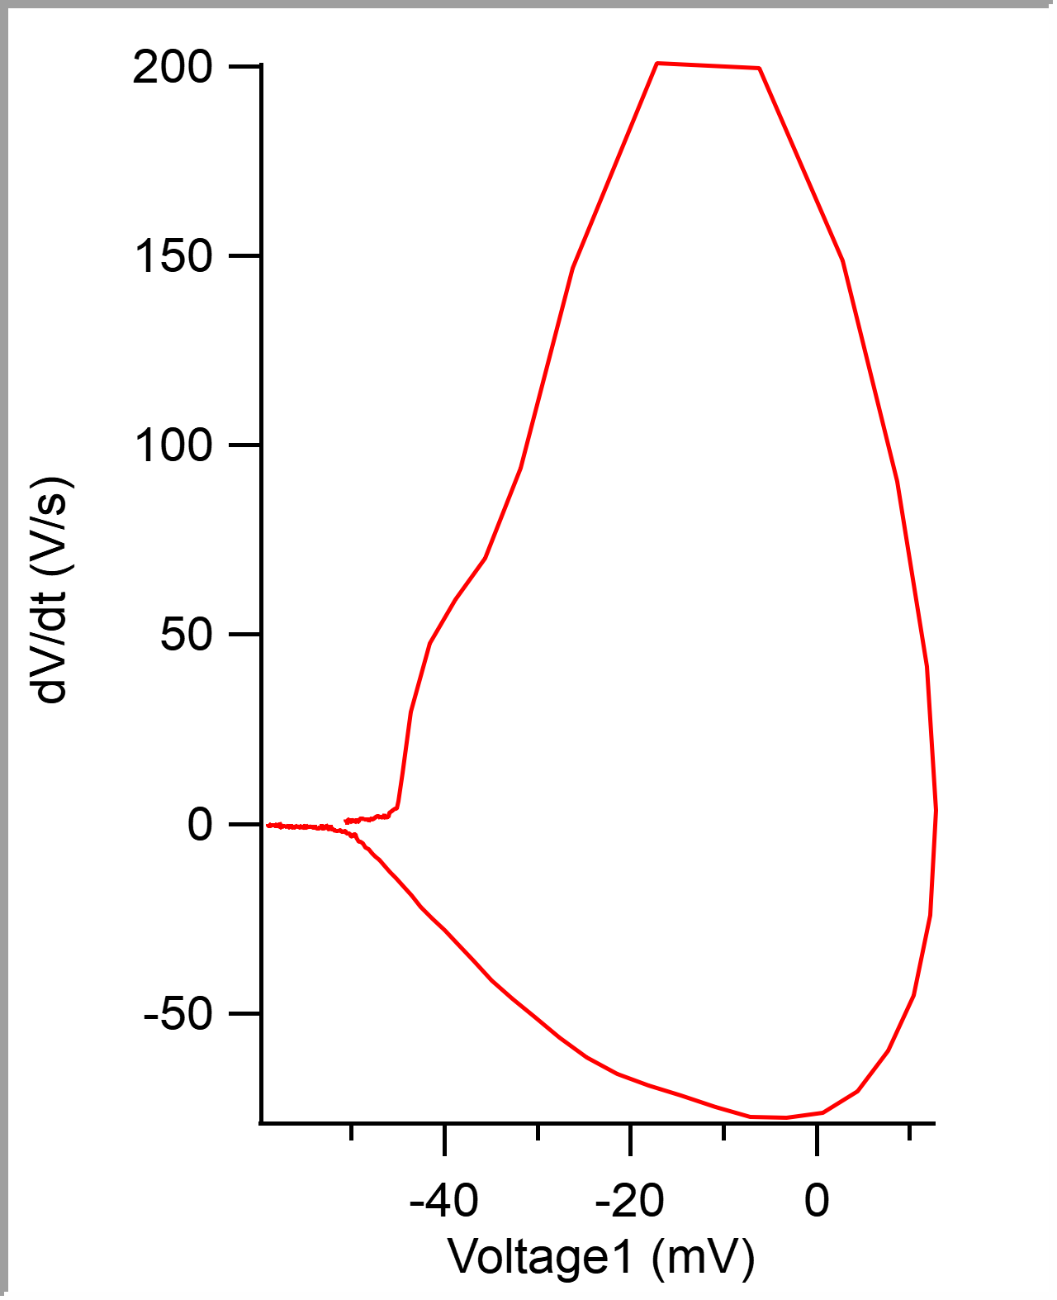
 |  |  |  |  |  |  |  |  |  |  | 5.00E-05 | -0.05076484 | -50.76484 | -0.050628662
 |  |  |  |  |  |  |  |  |  |  | 0.0001 | -0.050736912 | -50.736912 | -0.050598145
 |  |  |  |  |  |  |  |  |  |  | 0.00015 | -0.050707836 | -50.707836 | -0.050567627
 |  |  |  |  |  |  |  |  |  |  | 0.0002 | -0.05067559 | -50.67559 | -0.050506592
 |  |  |  |  |  |  |  |  |  |  | 0.00025 | -0.050645649 | -50.645649 | -0.050506592
 |  |  |  |  |  |  |  |  |  |  | 0.0003 | -0.050618585 | -50.618585 | -0.050445557
 |  |  |  |  |  |  |  |  |  |  | 0.00035 | -0.050589219 | -50.589219 | -0.050445557
 |  |  |  |  |  |  |  |  |  |  | 0.0004 | -0.050558127 | -50.558127 | -0.050445557
 |  |  |  |  |  |  |  |  |  |  | 0.00045 | -0.050528184 | -50.528184 | -0.050415039
 |  |  |  |  |  |  |  |  |  |  | 0.0005 | -0.050496228 | -50.496228 | -0.050323486
 |  |  |  |  |  |  |  |  |  |  | 0.00055 | -0.050466284 | -50.466284 | -0.050292969
 |  |  |  |  |  |  |  |  |  |  | 0.0006 | -0.050432313 | -50.432313 | -0.050262451
 |  |  |  |  |  |  |  |  |  |  | 0.00065 | -0.050400931 | -50.400931 | -0.050231934
 |  |  |  |  |  |  |  |  |  |  | 0.0007 | -0.05036984 | -50.36984 | -0.050201416
 |  |  |  |  |  |  |  |  |  |  | 0.00075 | -0.050336152 | -50.336152 | -0.050201416
 |  |  |  |  |  |  |  |  |  |  | 0.0008 | -0.050303046 | -50.303046 | -0.050170898
 |  |  |  |  |  |  |  |  |  |  | 0.00085 | -0.050273679 | -50.273679 | -0.050109863
 |  |  |  |  |  |  |  |  |  |  | 0.0009 | -0.050242875 | -50.242875 | -0.050109863
 |  |  |  |  |  |  |  |  |  |  | 0.00095 | -0.050210051 | -50.210051 | -0.050079346
 |  |  |  |  |  |  |  |  |  |  | 0.001 | -0.050177522 | -50.177522 | -0.050018311
 |  |  |  |  |  |  |  |  |  |  | 0.00105 | -0.050142974 | -50.142974 | -0.049987793
 |  |  |  |  |  |  |  |  |  |  | 0.0011 | -0.050112166 | -50.112166 | -0.049957275
 |  |  |  |  |  |  |  |  |  |  | 0.00115 | -0.050078195 | -50.078195 | -0.049957275
 |  |  |  |  |  |  |  |  |  |  | 0.0012 | -0.050040193 | -50.040193 | -0.049926758
 |  |  |  |  |  |  |  |  |  |  | 0.00125 | -0.050006505 | -50.006505 | -0.04989624
 |  |  |  |  |  |  |  |  |  |  | 0.0013 | -0.049967639 | -49.967639 | -0.049835205
 |  |  |  |  |  |  |  |  |  |  | 0.00135 | -0.049929924 | -49.929924 | -0.049835205
 |  |  |  |  |  |  |  |  |  |  | 0.0014 | -0.049891632 | -49.891632 | -0.049743652
 |  |  |  |  |  |  |  |  |  |  | 0.00145 | -0.049853057 | -49.853057 | -0.049713135
 |  |  |  |  |  |  |  |  |  |  | 0.0015 | -0.049808718 | -49.808718 | -0.049713135
...

